Sheet1
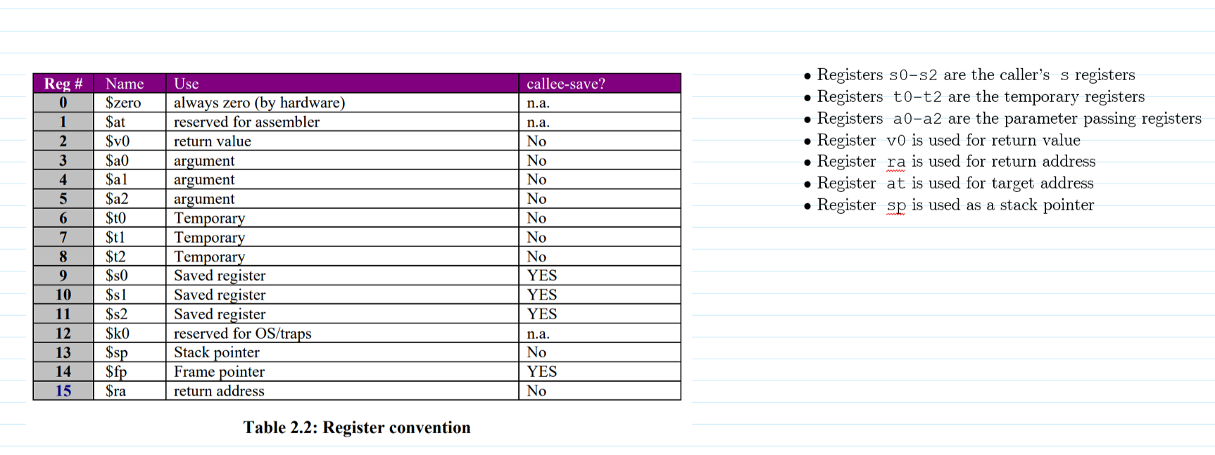
 | OPCODE
Instruction | 31 | 30 | 29 | 28 | 27 | 26 | 25 | 24 | 23 | 22 | 21 | 20 | 19 | 18 | 17 | 16 | 15 | 14 | 13 | 12 | 11 | 10 | 9 | 8 | 7 | 6 | 5 | 4 | 3 | 2 | 1 | 0 | Description of Instruction
add | 0 | 0 | 0 | 0 | dest. Reg |  |  |  | Source Reg 1 |  |  |  |  |  |  |  |  |  |  |  |  |  |  |  |  |  |  |  | Source Reg 2 |  |  |  | Add contents of reg Src Reg 1 with contents of reg Src Reg 2, store results in dest. Reg.
nand | 0 | 0 | 0 | 1 | dest. Reg |  |  |  | Source Reg 1 |  |  |  |  |  |  |  |  |  |  |  |  |  |  |  |  |  |  |  | Source Reg 2
addi | 0 | 0 | 1 | 0 | dest. Reg |  |  |  | Source Reg 1 |  |  |  | 20-bit Immediate Value (2's complement number from -524288 to +524287) |  |  |  |  |  |  |  |  |  |  |  |  |  |  |  |  |  |  |  | Add Immediate value to the contents of reg Src Reg 1 and store the result in dest. Reg.
lw | 0 | 0 | 1 | 1 | dest. Reg |  |  |  | Source Reg 1 |  |  |  | 20-bit Address Offset (2's complement number from -524288 to +524287) |  |  |  |  |  |  |  |  |  |  |  |  |  |  |  |  |  |  |  | This is base+offest
sw | 0 | 1 | 0 | 0 | Source Reg 1 |  |  |  | Base Reg 1 |  |  |  | 20-bit Address Offset (2's complement number from -524288 to +524287)
beq | 0 | 1 | 0 | 1 | Source Reg 1 |  |  |  | Source Reg 2 |  |  |  | 20-bit PC Offset (2's complement number from -524288 to +524287) |  |  |  |  |  |  |  |  |  |  |  |  |  |  |  |  |  |  |  | This is PC + 1 + OFFSET.
jalr | 0 | 1 | 1 | 0 | Target Reg, at |  |  |  | Link Reg, ra
halt | 0 | 1 | 1 | 1
 | 1 | 0 | 0 | 0
 | 1 | 0 | 0 | 1
 | 1 | 0 | 1 | 0
 | 1 | 0 | 1 | 1
 | 1 | 1 | 0 | 0
 | 1 | 1 | 0 | 1
 | 1 | 1 | 1 | 1

nop | actually a psuedocode instruction (i.e the assembler will emit add $zero, $zero, $zero)

